Ex 1 - 2 Cat Freq TABLES
Bivariate Categorical Exploratory Analysis
Once we have performed our univariate data analysis to visualize and extract information from each variable individually, we also want to analyze how the variables interact together. This is called bivariate analysis, where we are looking at two variables and seeking to determine if they related or associated with each other. This will help us when we are determining the best predictors and/or explanatory variables for our analysis models. It will also help us reduce any overlapping information within our predictors, so we end up with the simplest and most stable model that is the best at predicting. These parsimonious (smallest number of variable, with high predictive/explanatory power) models often offer something that is easy to explain and maintain, while providing high predictability and low variability. The first bivariate analysis we will explore is two categorical variables together.

Bivariate Data Analysis – 2 Categorical Variables
Creating Contingency Tables: A bivariate contingency table shows us the ‘contingent’ relationship or association among two categorical variables. We can create a contingency table of frequency counts, overall percentages, row percentages, and column percentages… all which give us a slightly different picture of the relationship.
First, we need to copy over our cleaned data set from the “3-Data Cleansing” worksheet to “6-Bivar 2 Cat + Explore”. Remember to paste as data as values in the new sheet, just in case we have any formulas still creating variables.
Next, let’s eliminate the quantitative variables since we won’t be using them here. This will eliminate some noise from our workspace and give us more room. We will keep the Student ID variable, so we can keep track of our observational units. This is important to maintain the integrity of the data and be able to merge any new variables we may create back to the original dataset. The final variables in this set should be A - “Student ID”, B - “Biological Sex”, and C - “Class Seat Location”, in that order.
To delete columns, click on the column letter above the variable name, right click and press delete. **You can hold “Ctrl” while selecting columns to delete more than one at a time.
After the columns are deleted, highlight the columns B and C for “Biological Sex” and “Class Seat Location”. They should be contiguous (i.e. right next to each other).
After the columns are highlighted, go to the “Insert” ribbon/tab and select the first option for “PivotTable”.
Check to make sure you have selected the appropriate data in the “Table/Range” box. Click “Existing Worksheet”. Click in the “Location” box and select or type in cell F2. Then press “OK”.
From the “PivotTable Fields” panel, click and drag “Biological Sex” to the “Rows” box and “Class Seat Location” to the “Columns” box. Then drag either variable to the values box. Generally, you want to put the variable the explanatory variable (a.k.a. independent or predictor) on the rows and the response variable (a.k.a dependent or target) on the columns. If you don’t have a defined categorical response/target variable, pick whichever variable you think may respond to input changes of the other. Our selection suggests we are investigating if “Biological Sex” explains (explanatory variable) where a student choose to sit in the classroom, “Class Seat Location” (response variable).
Frequency Contingency Table
A basic contingency table should population with the frequency counts for each intersection of the variable’s categories. If you have “(blank)” categories, remove them by clicking the drop-down arrow next to “Row Labels” and unchecking the box next to “(blank)”.
Let’s copy and paste the table as values below, so we can clean it up. Copy the table and paste the table AS VALUES in cell L3.
Now clean it up…
Change “Row Labels” to “ Biological Sex”
Change “Column Labels” to “Class Seat Location” and center over the three seat locations
Center the row above the table and give the table a nice descriptive title. (e.g. “Contingency Table of Biological Sex and Class Seat Location”)
Change the “Grand Total” label to just say “Total”
Change the coded seat locations to more descriptive names. 1 changes to “Front”, 2 changes to “Middle”, and 3 changes to “Back”. **It is important to make sure ordinal variables are displayed in their natural order.
Lastly, add some borders and shading and you are good to go!
Overall Percent Contingency Table: Calculates the percent make up of each categorical intersection from the overall total.
Click back in the original PivotTable (with the blue shading).
In the “PivotTable Fields” panel, select the dropdown next to “Count of Biological Sex” in the “Values” box and click on “Value Field Settings”.
Click the tab for “Show Values As” and change the dropdown from “No Calculations” to “% of Grand Total” and click “OK”. You Pivot Table should update to overall percent values now.
Let’s paste it as values and clean it up… this next step is to reduce the amount of formatting you need to do and save you lots of time, woo hoo!
First copy and paste your neatly formatted contingency table of frequency counts. The one you just completed. Highlight the table, press “Ctrl+C”, click in cell L9, and press “Ctrl+V”. Don’t just paste as values this time, because you want the copy and paste the formatting also.
Now, highlight and copy only the cells that contain the percentages from the Pivot Table, do not copy any of the labels. This should be cells G4 to J6, if you have been following along with the instructions.
Now paste those cells AS VALUES, over the top of the frequency counts in the second formatted table. Click in cell M12, right click and select second icon for “Values” from the paste options.
Now select the cells that have the decimal values, select the “%” sign from the “Number” panel of the “Home” ribbon, and increase the decimal place one time, so there is one value behind the decimal place.
Lastly, change the title to say, “Overall Percent Table of Biological Sex and Class Seat Location”.
Row Percent Table: Calculates the percent make up of each categorical intersection from its row total. **These table values are also used in Chi Square testing, to test the significance of the relationship between the explanatory (row) and response (column) variable. We will learn more about this later, so keep this in mind.
Repeat the process you went through to create the Overall Percent table, however this time you change the “Show Values As” option to “% of Row Total”. You also need to update the title.
Column Percent Table: Calculates the percent make up of each categorical intersection from its column total.
Repeat the process you went through to create the Overall Percent table, however this time you change the “Show Values As” option to “% of Column Total” . You also need to update the title.
Reference Check:
Exercise: Analyze the 4 tables above. Provide a brief write up of how each table displays the information in a slightly different way and provides different information. What do they communicate? No one table is necessarily better than the other, each one just gives us a slightly different perspective of how these variables may or may not be related. When we are building our data story later, we will select the tables that help communicate that story.

Ex 2 - Bivar 2 Cat Bar GRAPHS
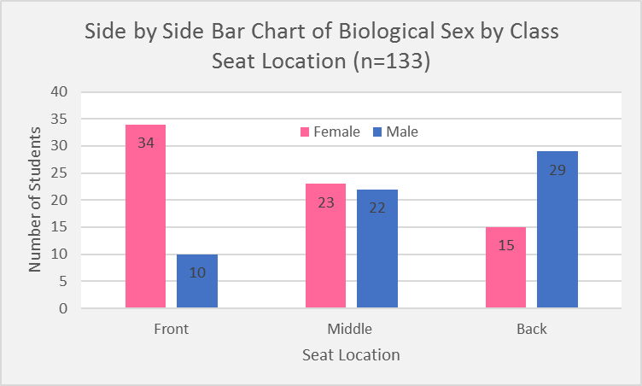
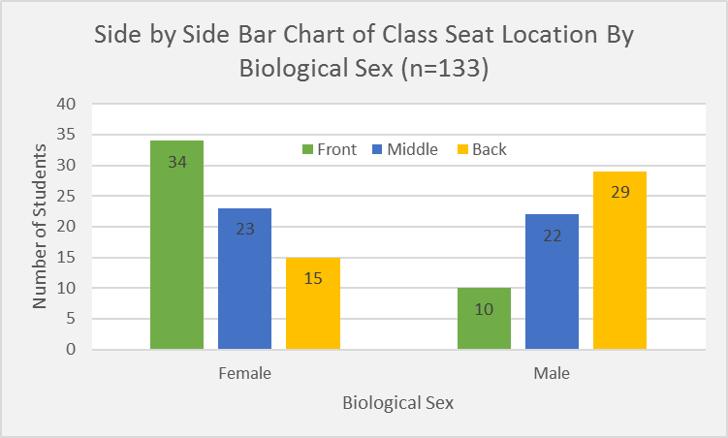
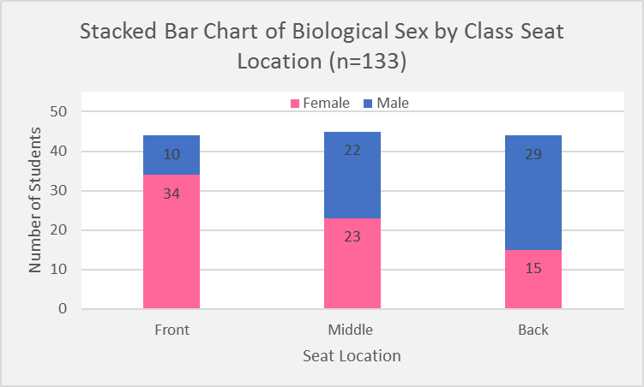
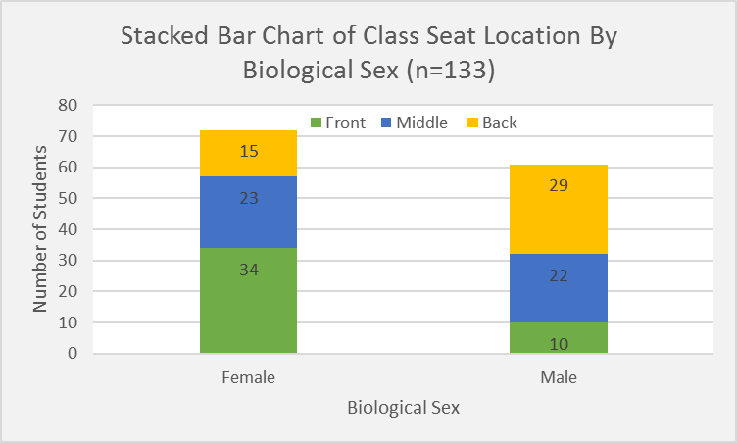
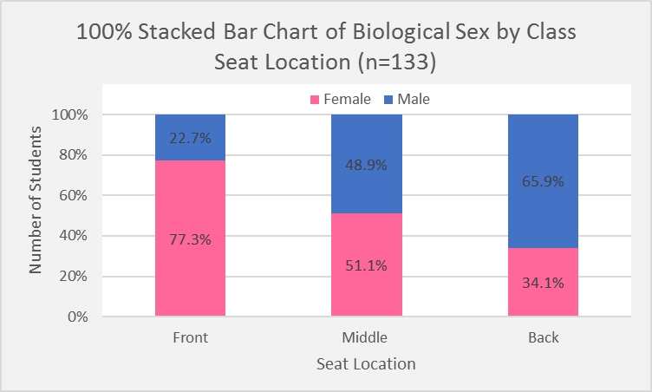
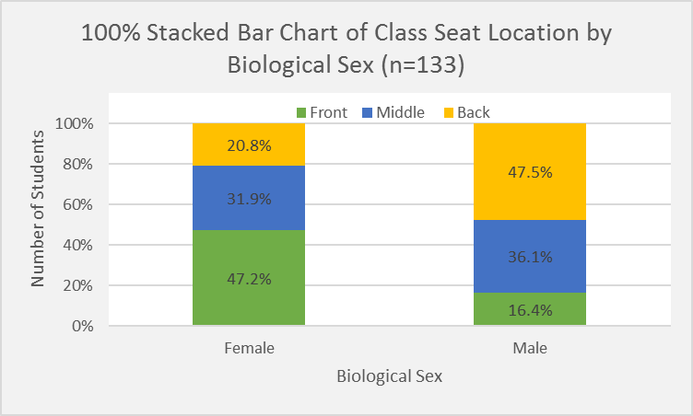
Creating Bivariate Bar Charts: There are three types of bivariate charts, which visualize the various relationships that are quantified by the contingency tables. They are a Side-By-Side Bar Chart, a Stacked Bar Chart, and a 100% Stacked Bar Chart. The process to create them is very simple after you have a basic contingency table of frequency counts. Let’s do it!
Creating Bivariate Bar Charts: There are three types of bivariate charts, which visualize the various relationships that are quantified by the contingency tables. They are a Side-By-Side Bar Chart, a Stacked Bar Chart, and a 100% Stacked Bar Chart. The process to create them is very simple after you have a basic contingency table of frequency counts. Let’s do it!
Side-by-Side Bar Chart:
From the first formatted contingency table you created, the contingency table of frequency counts, highlight the 12 cells from the “Biological Sex” variable label to the cell that contains the number of male students that sit in the back. This should be cells L4 through O6, if you have been following the instructions. Ultimately, you want to make sure you highlight the category labels (Female, Male, Front, Middle, and Back) and all the frequency counts (34, 23, 15, 10, 22, and 29) in the same selection. Do not highlight the “Total” row or column.
Once you have the selection highlighted, go to the “Insert” ribbon and select the Bar Chart dropdown ( ), from the “Charts” panel. Select the first option from the “2-D Column” menu for “Clustered Column”.
The populated chart is comparing the frequency of males and females at each seat location. Class Seat Location is displayed as groupings along the x-axis, and the side by side bars are colored by gender.
If we want, we can quickly change the orientation of the variables. To change the orientation:
Click on the chart.
Go to the “Design” ribbon/tab from Chart Tools.
Select “Switch Row/Column” from the “Data” panel.
Now gender is the grouping variable and the bars are colored by the Seat Location.
Exercise: Create both Side-By-Side Bar Charts with the variables oriented each way. Then clean them up and format them. What information is being displayed?
Reference Check:
This chart gives us the frequency of each gender at each seat location. It presents the same information at the frequency contigency table and allows us to compare the differences of each gender at each location. We can visually see that more females tend to sit in the front of the class room, more males tend to sit in the back of the classroom, and the middle location is almost equal.
This chart gives us the frequency of each seat location for each gender. It presents the same information at the frequency contigency table and allows us to compare the differences of each seat location among the gender. We can visually most female tend to sit toward the front of the room and the frequency gradually decreases as they more toward the back. We see to opposite distribution for males, where less males tend to sit in the front and the front of the classroom and the frequency gradually increases as they more toward the back.
Stacked Bar Chart:
The process to create the stacked bar chart is the same. After you selected the appropriate cells, go to the “Insert” ribbon/tab and selected the second option from the “2-D Column” menu for “Stacked Column”.
Another quicker alternative that allows you to keep your formatting:
Copy and paste one of the existing side-by-side charts you have already created.
Click on the “Design” ribbon/tab and select “Change Chart Type” from the “Type” panel.
Select the second option for “Stacked Column”
Now you chart is already formatted according to the selections you made in your side-by-side chart.
Exercise: Create both Stacked Bar Charts with the variables oriented each way. Then clean them up and format them. What information is being displayed?
Reference Check:
The stacked bar charts provide similar information to the side-by-side chart, however because they are stacked we can also get a better picture of the overall frequencies for each categories. We can still visualize the downward trend in frequency for females as they move to the back, and the upward trend in frequency for males as they move to the back. We can also see that more females sit in the front, while more males sit in the back. What we can also easily see in the first graph is the overall number of students that sit in the front, middle, and back (regardless of gender) is approximately the same. In addition, from the second graph, we can see that overall there are slightly more females in the dataset than males. Could the discrepancy in sample size be skewing our view of the true proportions? This is the power of the 100% Stacked Charts.
100% Stacked Bar Chart:
The process to create the 100% stacked bar chart is a little more specific if you want to include % data label that make sense and make your charts easier to interpret. We have a slightly different set of steps for each variable orientation.
Row Percent (Biological Sex) 100% Stacked Bar Chart
Go to your neatly formatted Row Percent table and make the same 12 cell selection as we did originally. This time it will be the category labels (Female, Male, Front, Middle, and Back) and the row percentages (47.2, 31.9, 20.8, 16.4, 36.1, and 47.5)
Go to the “Insert” ribbon/tab and selected the third option from the “2-D Column” menu for “100% Stacked Column”.
Now, click on the chart, go to the “Design” ribbon and click “Add Chart Element”
Select “Data Labels” and the “Center”.
Observe the chart. Do the percentages of each bar add to 100%? They don’t, because we have the variable orientation incorrect for a row percent table.
To fix this, change the orientation by selecting “Switch Row/Column” from the “Data” panel of the “Design” ribbon.
That’s better, now clean up and format your chart.
Column Percent (Class Seat Location) 100% Stacked Bar Chart
Go to your neatly formatted Column Percent table and make the same 12 cell selection as we did originally. This time it will be the category labels (Female, Male, Front, Middle, and Back) and the row percentages (77.3, 51.1, 34.1, 22.7, 48.9, and 65.9))
Go to the “Insert” ribbon/tab and selected the third option from the “2-D Column” menu for “100% Stacked Column”.
Now, click on the chart, go to the “Design” ribbon and click “Add Chart Element”
Select “Data Labels” and the “Center”.
Observe the chart. Do the percentages of each bar add to 100%? This time they do! Now we just need to clean it up and format it.
Exercise: Create both 100% Stacked Bar Charts with the variables oriented each way. Then clean them up and format them.
Reference Check:
The information presented in the 100% Stacked Bar Charts is reflective of the row and column percent tables, which is why we used them in the creation of the charts. If we have categories that have unequal frequencies, like “Biological Sex”, when we scale the vertical axis to 100% and look at them as relative or proportional measures (i.e. percents), we can more easily compare the differences among the unequal groups. If we had the same number of males and females in the data set, would we observe the same relationship that we did in the other charts above. In our case, the relationship remains the same, but often times the proportional measures paint a different picture. The 100% stacked chart are especially important when we have unequal sample sizes among the categories and we are trying to detect differences between them.

Ex 3 - Bivar 2 Quant Var GRAPHS
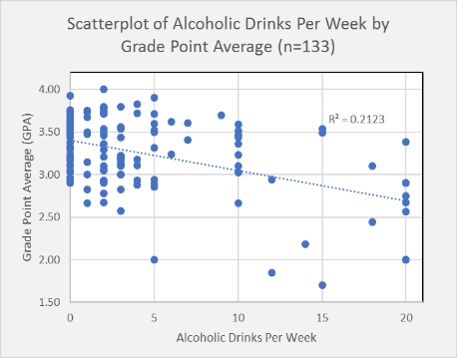
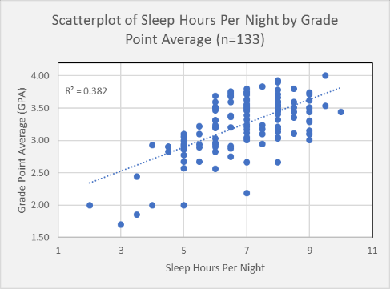
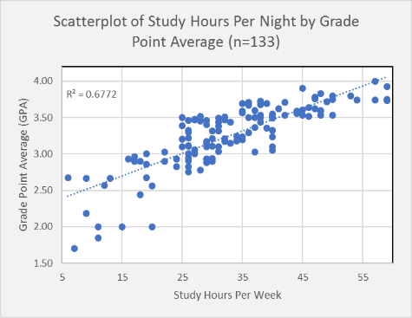
Bivariate Analysis with Two Quantitative Variables
Now that we have looked at how to visualize and describe the relationship between two categorical variables, we will move on to bivariate analysis with two quantitative variables. As a recap, bivariate analysis is where we are looking at two variables and seeking to determine if they related or associated with each other. This will help us when we are determining the best predictors and/or explanatory variables for our analysis models. It will also help us reduce any overlapping information within our predictors, so we end up with the simplest and most stable model that is the best at predicting. These parsimonious (smallest number of variables, with high predictive/explanatory power) models often offer something that is easy to explain and maintain, while providing high predictability and low variability.
Bivariate Data Analysis GRAPHS – 2 Quantitative Variables
Creating a Scatterplot: A scatterplot is a graph that plots one quantitative variable on the x-axis and another quantitative variable on the y-axis. We draw a point on the plot for every observation in the dataset that has a value for both variables. These values together are known as ordered pairs, as it is important to make sure these ordered pairs remain together for the observational unit they are associated with. After the plot is created, it there is a pattern that emerges from the points on the plot we can say that the two variables have an association with each other (i.e. when we change the value of one variable, something systematically changes with the paired value of the other variable, on average). The relationships we will look out for are straight line relationships, either increasing or decreasing. Let’s take a look at how to create these scatterplots.
Copy the Data: First, we need to copy over our cleaned data set from the “3-Data Cleansing” worksheet to “7-Bivar 2 Quant + Explore”. Remember to paste the data as values in the new sheet, just in case we have any formulas still creating variables.
Remove Categorical Columns: Next, let’s eliminate the categorical variables since we won’t be using them here. This will eliminate some noise from our workspace and give us more room. We will keep the Student ID variable, so we can keep track of our observational units. This is important to maintain the integrity of the data and be able to merge any new variables we may create back to the original dataset. The final variables in this set should be; A - “Student ID”, B - “Sleep Hours Per Night”, C - “Alcoholic Drinks Per Week”, D – “Exercise Hours Per Week”, E – “TV Hours Per Week”, F – “Study Hours Per Week”, and G – “GPA”, in that order.
To delete columns, click on the column letter above the variable name, right click and press delete. **You can hold “Ctrl” while selecting columns to delete more than one at a time.
Select 2 Quantitative Variables: Now, highlight the first two columns of quantitative data values. This should be B - “Sleep Hours Per Night” and C - “Alcoholic Drinks Per Week”.
Insert Scatterplot: Go to the “Insert” ribbon/tab and select the “Insert Scatterplot” icon from the “Charts” panel. Select the first option for “Scatter” and let’s examine the plot.
By default, the variable in the first column is generated on the x-axis and the variable is the second column is generated on the y-axis. So in our case, “Sleep Hours” is on the horizontal x-axis and “Alcoholic Drinks” is on the vertical y-axis.
Just as with the row contingency table, we generally want our explanatory (a.k.a. independent or predictor) variable on the x-axis and our response (a.k.a. dependent or target) on the y-axis. While we are not visualizing our analysis target variable, GPA, in this example, it seems like the amount you drink may explain how much sleep you get rather than the other way around.
In order to switch the variables, you need to cut out column C – “Alcoholic Drinks Per Week” and paste it where column B is
Select column C by clicking on “C” above the variable name
Right click and select “Cut”
Select column B by clicking on “B” above the variable name
Right click and select “Insert Cut Cells”
This will automatically shift the variable “Alcoholic Drinks Per Week” to the right one column and insert the cut column “Sleep Hours Per Week” in it’s place
Now delete the scatterplot and recreate it with the new variable orientation.
Does there appear to be an association or a relationship between these variables?
There does not appear to be any discernable pattern, just random clusters and scatters of points.
We can add some information to out scatterplot to help us determine if there is a relationship worth investigating.
Right click on one of the blue points on the scatterplot and select “Add Trendline”. Now we can confirm that the data does not really follow a straight line.
From the “Format Trendline” panel, select “Display R-squared value of chart”
You should see a value of 0.0821 appear on the chart. This value is called the Coefficient of Determination ($R^{2})$ and it measures how much of the variation in the y-variable (Sleep Hours in this case), is explained by the x-variable (Alcoholic Drinks), based on the straight trend line. The measure tells us specifically that only 8.21% (0.0821) of the variation in a student’s sleep hours per night is explained by the number of alcoholic drinks they have in a week.
If we can explain 100% of the variation is our target variable ($R^{2} = 1$), then we can predict it perfectly. A good $R^{2}$ value depend on the specific subject matter we are investigating and the patterns we observe in the plot. Machines and processes are highly predictable, while human behavior is not. For now, we will just make a note of the highest $R^{2}$ value and investigate them further in a later lesson.
It is safe to conclude that there is no meaningful relationship between these two variables, Sleep Hours Per Night and Alcoholic Drinks Per Week.
Practice: Do an initial exploration of each independent/explanatory variable (the predictors) and the dependent/response target variable (the one we will seek to predict).
Create a scatterplot to visualize each relationship. Remember that that independent variable should be along the x-axis and the dependent variable should be along the y-axis.
Add a trendline and the R-Square values to each of the plots.
Format the three plots that display the highest $(R^{2})$ values.
Add a main title, axis titles, etc.
Remove the unnecessary white space by changing the range of the x and y axis
Click on the axis you want to alter.
Right click and select “Format Axis”
Change the minimum and maximum bounds to fit the data
Interpret the coefficient of determination for these three plots.
Reference Check:
There appears to be a weak negative relationship between alcoholic drinks per week and a student’s GPA. The points are not forming a strong pattern. The resulting coefficient of determination is 0.2123, which indicates that only 21.23% of the variation in GPA is explained by the number of alcoholic drinks a student has per week.
While the points are still scattered about, there appears to be a moderate, positive relationship between sleep hours per week and a student’s GPA. The points are not very tightly clustered, but there is still a discernable trend. The resulting coefficient of determination is 0.382, which indicates that 38.2% of the variation in GPA is explained by the number of sleep hours a student has per night on average
There appears to be a much stronger relationship between the number of study hours per week and a student’s GPA. The positive relationship indicates that the more hours a student studies per week, the higher their GPA will be. The resulting coefficient of determination is 0.6772, which indicates that 67.72% of the variation in GPA is explained by the number of hours a student studies per week.

Ex 4 - Bivar 2 Quant Var TABLES
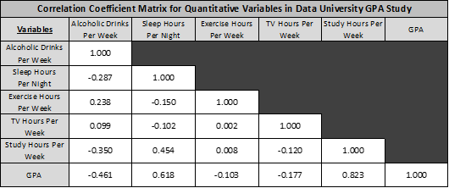
Bivariate Analysis with Two Quantitative Variables
Now that we have looked at how to visualize and describe the relationship between two categorical variables, we will move on to bivariate analysis with two quantitative variables. As a recap, bivariate analysis is where we are looking at two variables and seeking to determine if they related or associated with each other. This will help us when we are determining the best predictors and/or explanatory variables for our analysis models. It will also help us reduce any overlapping information within our predictors, so we end up with the simplest and most stable model that is the best at predicting. These parsimonious (smallest number of variables, with high predictive/explanatory power) models often offer something that is easy to explain and maintain, while providing high predictability and low variability.
Bivariate Data Analysis TABLE – 2 Quantitative Variables
Calculating the Correlation Coefficients of Each Quantitative Pair: Another way we can quickly assess whether a relationship exists is by calculating the correlation coefficient (r) of a bivariate pair. The correlation coefficient measures the strength and direction of a linear (straight-line) relationship.
Correlation Coefficient Thresholds: The ranges below are a good rule of thumb for determining whether the absolute value of a correlation coefficient (r) is strong, moderate, or weak.
Very Strong: 0.80 – 1.00
Strong: 0.60 – 0.79
Moderate: 0.40 – 0.59
Weak: 0.20 – 0.39
Very Weak: 0.00 – 0.19
Create a Correlation Matrix: The great news is the we can calculate the correlation coefficient of each quantitative pair in one procedure, by creating a correlation matrix.
Go to the “Data” ribbon/tab and click on “Data Analysis” from the “Analysis” panel. This is the analysis tool pack we installed previously.
Select “Correlation” from the Analysis Tools and press “OK”
Select columns $B:$G for the “Input Range”.
Make sure Group By: Columns in selected
Check the box for “Labels in first row”
Select an empty cell at the top of your worksheet for the “Output Range” and press “OK"
Now we can see a correlation coefficient value for each quantitative pair.
One thing we can note is that none of the independent predictors appear to have strong linear relationships with one another. This is good information to know when we are building our final model and assessing for a violation called “multi-collinearity” (where two independent predictors are highly correlated and therefore likely contain overlapping information).
If a correlation coefficient is negative, that indicates there is a negatively sloping relationship between the variables. When the x-variable increases, the y-variable decreases.
If a correlation coefficient is positive, that indicates there is a positively sloping relationship between the variables. When the x-variable increases, the y-variable also increases.
Lastly, we classify the strength of the linear relationship based on the thresholds above.
Practice: Let’s create a formatted table with our correlation matrix and analyze the values.
Wrap and center the variable names.
Add a meaningful, descriptive title
Add some borders and shading
Reduce the decimal places to 3
Comment on the variable pairs that have high correlation coefficients. Is this what you expected after creating the scatterplots and finding the coefficient of determination?
Reference Check:
The variables Study Hours and GPA have a very strong positive linear relationship with a correlation coefficient of 0.823. This confirms our previous observations from the scatterplot and coefficient of determination. As study hours increase so does a student’s GPA. The variables Sleep Hours and GPA have a moderately strong positive linear relationship with a correlation coefficient of 0.618. This is also consistent with our previous observations from the scatterplot and coefficient of determination. One thing to note is that these independent predictors have a moderate relationship (r = 0.454) with one another. This likely won’t create any problems as the correlation coefficient is not very strong, but it is something to keep in mind as we are building and assessing our prediction model in a later stage of the analysis. Lastly, Alcoholic Drinks appears to have a moderate negative relationship with GPA.

7 - Bivar Cat Explore
Sleep Hours Per Night | Alcoholic Drinks Per Week | Exercise Hours Per Week | TV Hours Per Week | Study Hours Per Week | GPA
7 | 0 | 3 | 35 | 29 | 3.17
6 | 5 | 2 | 35 | 31 | 3.31
6 | 10 | 4 | 30 | 48 | 3.59
6 | 0 | 2 | 30 | 28 | 3.47
9.5 | 0 | 1 | 30 | 48 | 3.54
6.5 | 0 | 1.5 | 28 | 17 | 2.91
5 | 2 | 14 | 25 | 28 | 2.78
4 | 20 | 3 | 25 | 11 | 2.00
8 | 0 | 10 | 21 | 40 | 3.55
8 | 1 | 3 | 20 | 13 | 2.67
7 | 14 | 5 | 20 | 9 | 2.19
7 | 0 | 0 | 20 | 31 | 3.49
6.5 | 20 | 4 | 20 | 26 | 2.75
9 | 0 | 5 | 20 | 57 | 3.74
6 | 0 | 10 | 20 | 37 | 3.03
7 | 0 | 5 | 18 | 26 | 3.32
7 | 2 | 14 | 16 | 59 | 3.74
7 | 2 | 2 | 16 | 50 | 3.80
6 | 20 | 6 | 15 | 20 | 2.56
9 | 0 | 2 | 15 | 41 | 3.62
8 | 3 | 2 | 15 | 29 | 3.14
6 | 2 | 1 | 15 | 25 | 3.50
6 | 0 | 2 | 15 | 16 | 2.93
7.5 | 12 | 4 | 15 | 26 | 2.94
7 | 2 | 5 | 15 | 36 | 3.71
8 | 0 | 10 | 15 | 40 | 3.32
4.5 | 2 | 11 | 14 | 26 | 2.90
9 | 18 | 3 | 14 | 31 | 3.10
7 | 6 | 3 | 14 | 34 | 3.24
7 | 0 | 2 | 14 | 44 | 3.55
9 | 10 | 1.5 | 14 | 32 | 3.51
5.5 | 2 | 0 | 14 | 24 | 2.93 |  | Sleep Hours Per Night | Alcoholic Drinks Per Week | Exercise Hours Per Week | TV Hours Per Week | Study Hours Per Week | GPA
3.5 | 12 | 10 | 13 | 11 | 1.85 | Sleep Hours Per Night | 1
5 | 2 | 6 | 12 | 40 | 3.10 | Alcoholic Drinks Per Week | -0.2865210256 | 1
7 | 1 | 5 | 11 | 54 | 3.74 | Exercise Hours Per Week | -0.15000276165 | 0.23755000506 | 1
4.5 | 20 | 4 | 11 | 18 | 2.90 | TV Hours Per Week | -0.10188618324 | 0.098729764501 | 0.0023082613901 | 1
5 | 3 | 0 | 11 | 12 | 2.57 | Study Hours Per Week | 0.45353014658 | -0.34950272237 | 0.007934437011 | -0.12040889567 | 1
3 | 15 | 4 | 10 | 7 | 1.70 | GPA | 0.61805410809 | -0.46079507863 | -0.10347359693 | -0.17690053138 | 0.82291628859 | 1
5.5 | 20 | 8 | 10 | 6 | 2.67
8 | 2 | 3 | 10 | 30 | 3.21 | Very Strong | 0.80 - 1.00
9 | 0 | 3 | 10 | 26 | 3.30 | Strong | 0.60 - 0.79
2 | 5 | 1 | 10 | 15 | 2.00 | Moderate | 0.40 - 0.59
8 | 0 | 2.5 | 10 | 27 | 3.05 | Weak | 0.20 - 0.39
9 | 1 | 5 | 10 | 33 | 3.15 | Very Weak | 0.00 - 0.19
9 | 10 | 7 | 10 | 29 | 3.10
5.5 | 3 | 10 | 10 | 26 | 3.22
8 | 15 | 10 | 10 | 42 | 3.53
5 | 2 | 6 | 10 | 19 | 2.68
8 | 0 | 5 | 10 | 32 | 3.47
7 | 0 | 2 | 10 | 31 | 3.03
7 | 1 | 7 | 10 | 59 | 3.75
7 | 20 | 14 | 9 | 25 | 3.39
7 | 10 | 7 | 9 | 27 | 3.47
3.5 | 18 | 4.5 | 9 | 18 | 2.44
6 | 5 | 10 | 8 | 46 | 3.52
7 | 0 | 8 | 8 | 40 | 3.51
8 | 0 | 6 | 8 | 48 | 3.60
6 | 3 | 4 | 8 | 35 | 3.19
7 | 5 | 4.5 | 8 | 36 | 3.50
8 | 0 | 2 | 8 | 29 | 3.46
8 | 2 | 4 | 8 | 38 | 3.54
5 | 2 | 2 | 8 | 27 | 3.06
6 | 0 | 6 | 8 | 17 | 2.96
6 | 3 | 1.5 | 8 | 24 | 2.82
8 | 15 | 14 | 8 | 40 | 3.49
8 | 4 | 1.5 | 7 | 34 | 3.18
4.5 | 1 | 5.5 | 6 | 26 | 2.83
7 | 2 | 10 | 6 | 38 | 3.72
8.5 | 4 | 1 | 6 | 26 | 3.11
5 | 20 | 10 | 6 | 30 | 2.90
6.5 | 0 | 2 | 6 | 47 | 3.76
9 | 0 | 2 | 6 | 49 | 3.71
9.5 | 2 | 0 | 6 | 57 | 4.00
7 | 6 | 4 | 5.5 | 47 | 3.62
6 | 0 | 6 | 5 | 35 | 3.69
7 | 0 | 2 | 5 | 46 | 3.64
8.5 | 10 | 0.5 | 5 | 38 | 3.44
7 | 3 | 5 | 5 | 32 | 3.21
8 | 5 | 4.5 | 5 | 45 | 3.90
4 | 2 | 2 | 5 | 29 | 2.93
5 | 4 | 5 | 5 | 29 | 2.93
10 | 0 | 2.5 | 5 | 31 | 3.44
7.5 | 4 | 4 | 4 | 48 | 3.83
6 | 10 | 3 | 4 | 40 | 3.23
6.5 | 4 | 9 | 4 | 29 | 2.88
6 | 1 | 4 | 4 | 37 | 3.50
7 | 2 | 6 | 4 | 40 | 3.05
8.5 | 0 | 2 | 4 | 35 | 3.59
8 | 10 | 6 | 4 | 22 | 3.03
9 | 1 | 2 | 4 | 19 | 3.00
6.5 | 0 | 3 | 4 | 31 | 3.38
8.5 | 2 | 3 | 4 | 39 | 3.36
5.5 | 5 | 0 | 4 | 22 | 2.90
8 | 0 | 2.5 | 3.5 | 59 | 3.93
6.5 | 9 | 5.5 | 3.5 | 39 | 3.69
8 | 7 | 8 | 3.5 | 45 | 3.61
6.5 | 1 | 3.5 | 3.5 | 59 | 3.73
7 | 2 | 3 | 3.5 | 26 | 3.46
9 | 2 | 7 | 3 | 36 | 3.29
7 | 0 | 2 | 3 | 26 | 3.12
7 | 5 | 2 | 3 | 42 | 3.71
5.5 | 3 | 2 | 3 | 25 | 3.10
5 | 5 | 6.5 | 2.5 | 19 | 2.86
6 | 0 | 11 | 2 | 30 | 3.32
6.5 | 1 | 14 | 2 | 38 | 3.68
8 | 0 | 3 | 2 | 28 | 3.45
8 | 0 | 1 | 2 | 36 | 3.66
5 | 20 | 14 | 2 | 20 | 2.00
7.5 | 3 | 6 | 2 | 32 | 3.17
7.5 | 0 | 14 | 2 | 35 | 3.24
8 | 7 | 7 | 2 | 29 | 3.41
9 | 0 | 2 | 2 | 38 | 3.50
8 | 2 | 2 | 2 | 47 | 3.78
6 | 0 | 0 | 2 | 25 | 3.20
7 | 3 | 2 | 2 | 35 | 3.56
7 | 3 | 4 | 2 | 27 | 3.00
9 | 3 | 5 | 2 | 33 | 3.44
8.5 | 0 | 5 | 1.5 | 28 | 3.51
8 | 0 | 0 | 1.5 | 44 | 3.59
8 | 0 | 4.5 | 1 | 45 | 3.53
7 | 3 | 2.5 | 1 | 50 | 3.53
7 | 1 | 3 | 1 | 50 | 3.75
6.5 | 5 | 3 | 1 | 37 | 3.60
6 | 0 | 7 | 1 | 17 | 2.90
7 | 10 | 4 | 1 | 9 | 2.66
5 | 5 | 3 | 1 | 30 | 2.94
6.5 | 0 | 8 | 1 | 35 | 3.20
8 | 1 | 3 | 1 | 27 | 3.48
8 | 4 | 2 | 1 | 38 | 3.72
5 | 3 | 3 | 1 | 26 | 3.00
6.5 | 10 | 0 | 0 | 37 | 3.36
7.5 | 0 | 4 | 0 | 30 | 3.10
8.5 | 3 | 2 | 0 | 53 | 3.80

Ex 5-Bivar 1 Quant 1 Cat TABLES
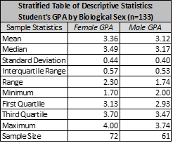
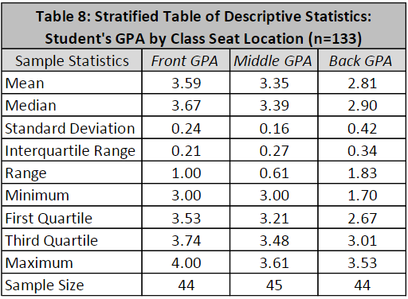
Bivariate Analysis with One Categorical and One Quantitative Variable
Now that we have looked at how to visualize and describe the relationship between two categorical variables and between 2 quantitative variables, we will move on to bivariate analysis with one categorical and one quantitative. As a recap, bivariate analysis is where we are looking at two variables and seeking to determine if they related or associated with each other. This will help us when we are determining the best predictors and/or explanatory variables for our analysis models. It will also help us reduce any overlapping information within our predictors, so we end up with the simplest and most stable model that is the best at predicting. These parsimonious (smallest number of variables, with high predictive/explanatory power) models often offer something that is easy to explain and maintain, while providing high predictability and low variability.
Bivariate Data Analysis TABLES – One Categorical One Quantitative
Creating a Stratified Table of Descriptive Statistics: A stratified table of descriptive statistics is similar to the univariate descriptive statistics tables we created previous, however this time it is stratified by a categorical variable. We are seeking to compare the statistics of a quantitative variables across the categories. If specific categories have significantly different means and/or medians, it is an indication of a relationship we may be able leverage in our future model. Let’s look at how to create these stratified tables.
Copy the Data: First, we need to copy over our cleaned data set from the “3-Data Cleansing” worksheet to “8-Bivar 1 Cat 1 Quant”. Remember to paste the data as values in the new sheet, just in case we have any formulas still creating variables.
Eliminate Unnecessary Data from Workspace: Next, let’s eliminate the quantitative variables other than our target variable, GPA. If we can spot potential relationships between a categorical variable and the target, then we can test the significance of the relationship, and potentially use them in our model. We may need to go back and investigate relationships among independent categorical and quantitative variables as we are fine tuning for model, but for now we will just seek to uncover useful predictors. We will keep the Student ID variable, both categorical variables, and GPA. The final variables in this set should be; A - “Student ID”, B - “Biological Sex”, C - “Class Seat Location”, and D – “GPA”, in that order.
To delete columns, click on the column letter above the variable name, right click and press delete. **You can hold “Ctrl” while selecting columns to delete more than one at a time.
MOST IMPORTANT STEP!! Reformat the Data: To leverage our descriptive statistic tool from the data analysis tool pak, we need to reformat our data a bit. Ultimately, we need a single column of GPA values for Female Students and a single column of GPA values for Male students. This will allow us to compute the descriptive statistic for GPA for each category, side-by-side.
Highlight the top four cells of the data that contain the variables names (Cells A1:D1).
Go to the “Data” ribbon and click on the “Filter” icon from the “Sort & Filter” panel. This should add filter dropdowns next to each variable name.
Click on the dropdown and select “Sort A to Z”. All the female observations should sort to the top.
Highlight and copy all the female GPA values (Cells D2:D73)
Paste them in cell F2 and add the variable name “Female GPA” in cell F1
Now, Highlight and copy all the male GPA values (Cells D74:D134)
Paste them in cell G2 and add the variable name “Male GPA” in cell G1
Now, we are ready to calculate the descriptive statistics
Calculate the Statistics
Go to the “Data” ribbon and select “Data Analysis” from the “Analysis” panel
Select “Descriptive Statistics” and press “OK”
In the “Input Range:” select or input columns F and G ($F:$G). Make sure it is “Grouped By:” the Columns and check “Labels in the first row”
For “Output options”, select “Output Range:” and select or input cell I2.
Check the box for “Summary Statistics” and press “OK”
Clean Up and Format the Table: We will go through the same process that we did for our univariate descriptive statistic tables.
Shift the variable names over one cell to the right, so they are over the actual values and not the names. Cut and paste will accomplish this quickly.
Let’s remove the redundant stat names by deleting column K. This will also put the statistics from each biological sex category next to each other, so we can compare them side by side.
Remove the “Standard Error”, “Mode”, “Sample Variance”, “Kurtosis”, “Skewness”, and “Sum” rows from the table. Using “Ctrl+Shift” to multiselect the rows will allow you to do this in one step.
Insert 2 rows in the table between Minimum and Maximum and calculate the first and third quartiles for each category.
Insert 1 row in the table between Standard Deviation and Range and calculate the Interquartile Range.
Reduce the number of decimal places to 2, change “Count” to “Sample Size”, and remove any unnecessary rows.
Add a descriptive title, borders, and shading
PRACTICE: Using what you have learned above, perform a stratified bivariate analysis with Class Seat Location and GPA.
First, create a neatly formatted stratified table of descriptive statistics. (Don’t forget to reformat your data)
What observations can you make? Does there appear to be any potential significant differences among the categories?
Reference:

Ex 6-Bivar 1 Quant 1 Cat GRAPHS
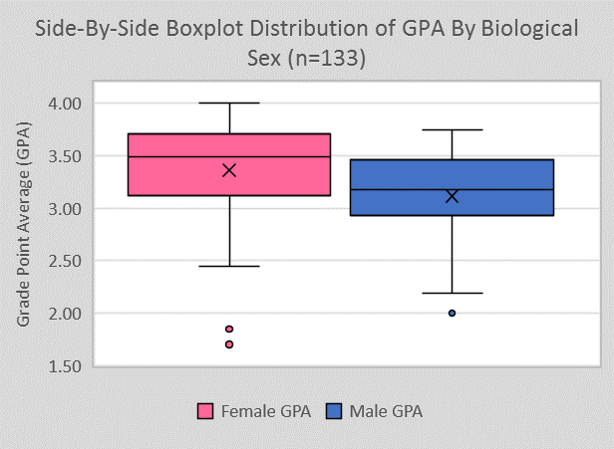
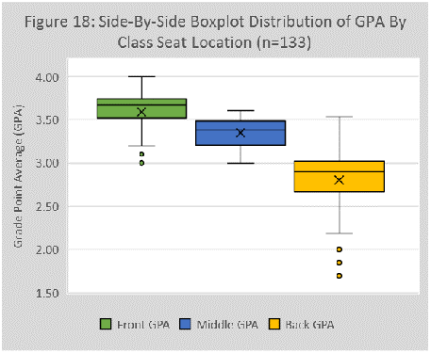
Bivariate Analysis with One Categorical and One Quantitative Variable
Now that we have looked at how to visualize and describe the relationship between two categorical variables and between 2 quantitative variables, we will move on to bivariate analysis with one categorical and one quantitative. As a recap, bivariate analysis is where we are looking at two variables and seeking to determine if they related or associated with each other. This will help us when we are determining the best predictors and/or explanatory variables for our analysis models. It will also help us reduce any overlapping information within our predictors, so we end up with the simplest and most stable model that is the best at predicting. These parsimonious (smallest number of variables, with high predictive/explanatory power) models often offer something that is easy to explain and maintain, while providing high predictability and low variability.
Bivariate Data Analysis GRAPHS – One Categorical One Quantitative
Creating a Side-By-Side Boxplot: One method we use to visualize one categorical variable and one quantitative variables together is with Side-By-Side Boxplots. This will also us to quickly assess whether these two groups appear to be different. Keep in mind these are just providing preliminary relationship assumptions that we will test further in the next step.
Reformat the Raw Data: To create boxplots we need to use the reformatted data that be organized to create the stratified table. Since we already have it ready to go, we can continue on.
Select the Data: Highlight columns F and G together (the columns that have the GPA variable split (or stratified) by Biological Sex.
Create the Plot: Go to the “Insert” ribbon and select the “Box and Whisker” plot from the “Charts” panel. This will provide us a basic side-by-side boxplot that we need to clean up.
Clean Up the Plot:
Remove the 1 on the horizontal access. Click on the 1, Right-Click, and Delete.
Add a vertical axis title, “Grade Point Average (GPA)”
Add a Chart Title, “Side-By-Side Boxplot Distribution of GPA By Biological Sex (n=133)”
Add a legend on the bottom using the “Add Chart Elements” dropdown from the “Design” ribbon
Change the range of the vertical axis to fit the data range for GPA
Add any shading or coloring you want to make your graph stand out.
Analyze the Information: Look at the stratified table and boxplot you just created. Compare the two categories for Biological Sex. Does there appear to be any major differences or do they look about the same?
Reference Check and Analysis:
There does appear to be slight differences between the distributions of GPA between male and female students, however it is not clear if the differences are significant or meaningful. When comparing the measures of center, we can see that females have a slightly higher mean and median GPA than male students. The average GPA for females is 3.36, while the average GPA for males is 3.12, a difference of 0.24 points. It does not initially seem like that big of a difference, but if we take into consideration that the range of values only goes from 1.7 to 4.0 it may be significant. Both categories have similar measures of spread, when comparing the standard deviation and interquartile range. There does appear to be a couple outliers for females that are creating a slight left (or negative skew), however skewness is not too drastic. We will need to test the differences between the categories to determine if they are truly significant.
PRACTICE: Using what you have learned above, perform a stratified bivariate analysis with Class Seat Location and GPA.
Create a neatly formatted side-by-side boxplot.
Then, analyze the table and graph. What observations can you make? Does there appear to be any potential significant differences among the categories? Practice Writing an interpretation similar to the one above.

